Sheet1
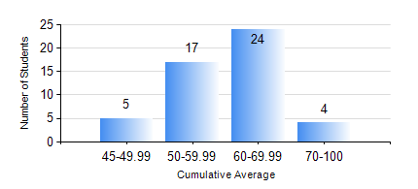
 |  |  | KWAME NKRUMAH UNIVERSITY OF SCIENCE AND TECHNOLOGY, KUMASI Department of Materials Engineering

 |  |  | BSC. MATERIALS ENG.

 |  |  | COMPREHENSIVE RECORD OF EXAMINATION RESULTS

 |  |  | RESULTS OF YEAR 4 FIRST SEMESTER, 2018/2019 ACADEMIC YEAR

 | Sn | Course Code |  | Course Name | Credit Hours | Min. Mark | Max. Mark | Avg. Mark | Std. Dev. | No. Passed | No. Trailed | No. (Df) | No. (I) | No. (I*) | No. Tagged(I,I*,Df) | Total
 | 0. |  |  |  |  |  |  | 0 | 0 | 0 | 0 | 0 | 0 | 0 | 0 | 1
 | 1. | ME 491 |  | ENGINEERING ECONOMICS AND MANAGEMENT | 3 | 40 | 77 | 57 | 8.4 | 49 | 0 | 0 | 0 | 0 | 0 | 49
 | 2. | MSE 451 |  | COMPOSITE MATERIALS | 3 | 30 | 87 | 61 | 13.6 | 45 | 4 | 0 | 0 | 0 | 0 | 49
 | 3. | MSE 453 |  | CORROSION OF ENGINEERING MATERIALS | 3 | 23 | 76 | 48 | 13.05 | 40 | 9 | 0 | 0 | 0 | 0 | 49
 | 4. | MSE 455 |  | ELECTRICAL/MAGNETIC PROPERTIES OF MATERIALS | 3 | 41 | 78 | 60 | 9.46 | 49 | 0 | 0 | 0 | 0 | 0 | 49
 | 5. | MSE 457 |  | METALWORKING PROCESSES | 3 | 40 | 86 | 66 | 12.27 | 49 | 0 | 0 | 0 | 0 | 0 | 49
 | 6. | MSE 459 |  | VACATION TRAINING | 2 | 60 | 90 | 78 | 7.35 | 49 | 0 | 0 | 0 | 0 | 0 | 49
 | 7. | MSE 497 |  | PROJECT I | 3 | 60 | 80 | 70 | 5.49 | 49 | 0 | 0 | 0 | 0 | 0 | 49

